Valuation Summary
 | Valuation Summary

# | Valuation Methods | Enterprise Value | Equity Value Available for Equity Shareholders | Value Per Share | Market Price | Discount/ Premium | Discount/ Premium % | Interpretaion

 | Discounted Cash Flow - Perpetuity Growth | ₹ 4,588 | ₹ 4,187 | ₹ 971 | ₹ 884 | ₹ 87 | 9.89% | Slight undervaluation
 | Discounted Cash Flow - Exit Multiple | ₹ 9,090 | ₹ 8,689 | ₹ 2,016 | ₹ 884 | ₹ 1,132 | 128.04% | Very undervalued
 | Relative Valuation - EV/EBITDA | ₹ 7,064 | ₹ 6,663 | ₹ 1,546 | ₹ 884 | ₹ 662 | 74.88% | Undervalued
 | Relative Valuation - EV/Sales | ₹ 2,308 | ₹ 1,907 | ₹ 442 | ₹ 884 | -₹ 442 | -49.96% | Overvalued
 | Relative Valuation - Price/Earnings | ₹ 13,122 | ₹ 12,721 | ₹ 2,952 | ₹ 884 | ₹ 2,068 | 233.89% | Very undervalued

The DCF analysis suggests that the company is moderately undervalued, with the intrinsic value under the perpetuity growth approach indicating roughly 9.9% upside compared with the current market price. Under the exit multiple method, the valuation implies a significantly higher potential upside of approximately 128%, reflecting the sensitivity of terminal assumptions and exit multiples in the model. Relative valuation methods provide mixed signals but generally support the view of undervaluation. The EV/EBITDA approach indicates an upside of around 74.9%, suggesting the stock may be trading below peer valuation levels if operating performance continues to improve. However, the EV/Sales method points to an overvaluation of nearly 50%, indicating that the market price is relatively high when assessed purely on revenue multiples. This divergence is expected since sales-based multiples do not fully capture profitability advantages or margin strength.
Meanwhile, the P/E based valuation implies substantial upside of roughly 233.9%, highlighting that the company may appear significantly undervalued relative to earnings if it converges toward sector multiples. Overall, the valuation results suggest that most methods point toward potential undervaluation, with the exception of the EV/Sales metric. This divergence reflects differences in how each method captures profitability, growth expectations and capital efficiency. Taken together, the analysis indicates that the market may not be fully pricing in the company’s earnings potential, although the wide range of valuation outcomes also highlights the sensitivity of results to the chosen methodology.

Assumptions Working
# | Revenue Growth
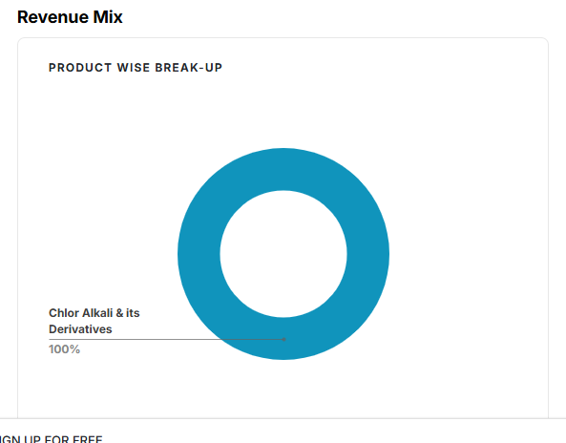
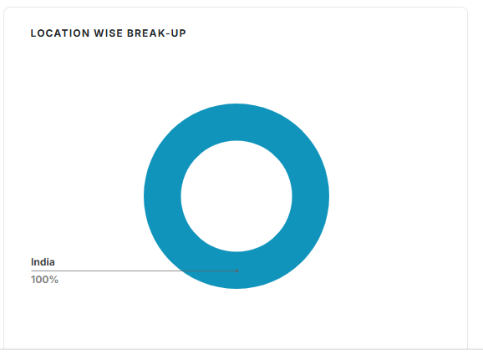
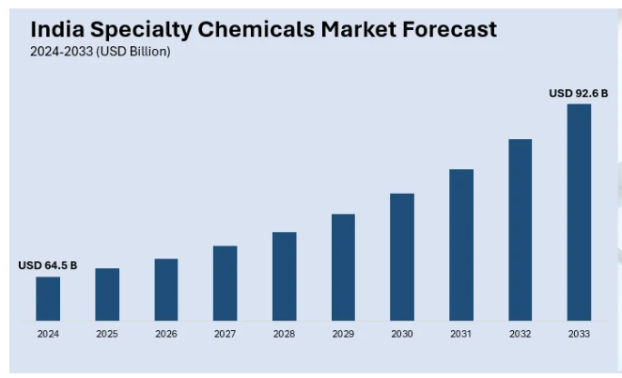
 | Company Historical Growth
 |  |  |  |  |  |  |  | CAGR
 | Particulars | 2021 | 2022 | 2023 | 2024 | 2025 |  | 3 Years | 5 Years
 | Revenue from Operations (Net) | 829 | 1551 | 2188 | 1929 | 2550 |  | 5.2% | 25.2%
 | Sales Growth |  | 87.1% | 41.1% | -11.8% | 32.2%

 | Global Speciality Chemical

 | GVR | https://www.grandviewresearch.com/industry-analysis/specialty-chemicals-market
 | The global specialty chemicals market was valued at approximately USD 978.97 billion in 2024 and is projected to reach USD 1,312.78 billion over the forecast period.
 | growing at a CAGR of 5% from 2025 to 2030

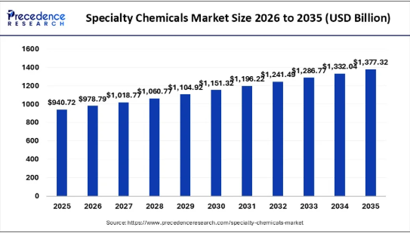
 | Fortune Business Insight | https://www.fortunebusinessinsights.com/specialty-chemicals-market-105517
 | The global specialty chemicals market size was USD 757.98 billion in 2025 and is projected to grow from USD 796.84 billion in 2026 to USD 1,167.22 billion in 2034 at a CAGR of 4.90% during the forecast period 2026-2034. Asia Pacific dominated the specialty chemicals market with a market share of 49.60% in 2025. Moreover, the specialty chemical market size in the U.S. is projected to grow significantly, reaching an estimated value of USD 152.36 billion by 2032, driven by expanding demand for construction chemicals on account of an increase in investments in infrastructure projects.

 | Precedence research | https://www.precedenceresearch.com/specialty-chemicals-market
The global specialty chemicals market was valued at approximately 940.72 billion in 2025 and is predicted to increase from USD 978.79 billion in 2026 to approximately USD 1,377.32 billion by 2035, expanding at a CAGR of 3.54% from 2026 to 2035. Asia Pacific dominated the specialty chemicals market with a market share of 49.60% in 2025 and is tracking a 4.58% CAGR through 2031. This growth is largely driven by China's chemical sector pivoting towards high-end intermediates and bolstered by India's incentive scheme, which champions domestic agrochemicals and polymers. Moreover, the specialty chemical market size in the U.S. is projected to grow significantly, reaching an estimated value of USD 152.36 billion by 2032, driven by expanding demand for construction chemicals on account of an increase in investments in infrastructure projects as well.
Artificial Intelingence has become a pivotal enabler in the specialty chemicals industry, transforming research and development, manufacturing, and supply chain operations. AI-powered formulation tools accelerate the discovery of new compounds by analysing vast chemical datasets, enabling faster, more targeted innovation in coatings, adhesives, and specialty polymers.
This sector includes a diverse range of products such as agrochemicals, polymers & plastic additives, construction chemicals, electronic chemicals, cleaning chemicals, surfactants, lubricants & oilfield chemicals, specialty coatings, paper & textile chemicals, food additives, adhesives & sealants, and others.
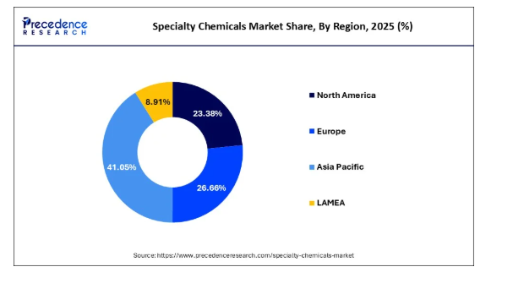
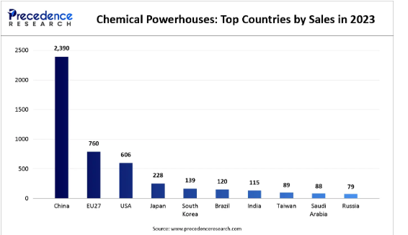

 | Indian Chlor alkali market Growth

 | IMARC | http://imarcgroup.com/india-chlor-alkali-market

 | CAGR Growth 2025-2033 | 4.18%
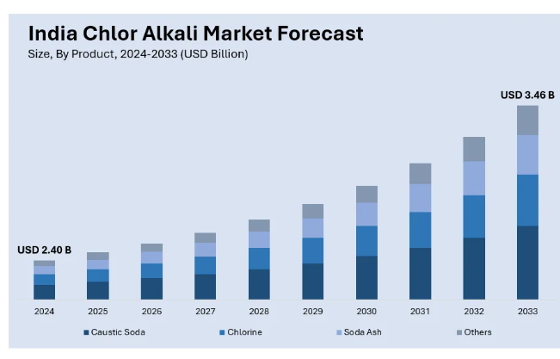

 | Mobility Foresight | https://mobilityforesights.com/product/india-chlor-alkali-market#:~:text=India%20Chlor%2DAlkali%20Market%20Size%20and%20Forecast,expansion%20across%20the%20forecast%20horizon.

 | 25 Revenue | USD 84.6 billion in 2025
 | CAGR Growth 2025-2032 | 4.19%

 | Global Research Consulting | https://www.omrglobal.com/industry-reports/india-chlor-alkali-market-size#:~:text=Indian%20chlor%20alkali%20market%20is,friendly%20ones%20like%20membrane%20cells.

 | 6.50%

 |  | https://www.fortunebusinessinsights.com/industry-reports/chlor-alkali-market-101720#:~:text=The%20global%20chlor%20alkali%20market,the%20share%20in%20production%20technologies.
 | The global chlor alkali market size was USD 52.23 billion in 2023 and is projected to grow from USD 53.22 billion in 2024 to USD 62.24 billion by 2032 at a CAGR of 1.94% during the forecast period.

 | Mordor Intelligence

 | CAGR over 2026-2031 | 2.99%
 | Asia-Pacific retained 62.15% of the chlor-alkali market size in 2025 and is projected to compound at a 3.12% CAGR through 2031
 | Source: https://www.mordorintelligence.com/industry-reports/chlor-alkali-market
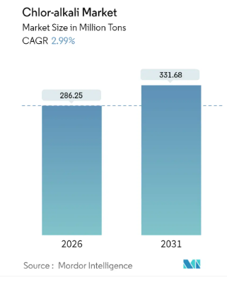
 |  |  |  |  |  |  |  |  |  |  |  |  |  |  |  |  |  |  |  | Category | Specific Product(s) | Status / Capacity (approx.) | Key End-Use Industries
 |  |  |  |  |  |  |  |  |  |  |  |  |  |  |  |  |  |  |  | Primary Chlor-Alkali | Caustic Soda (Lye & Flakes) | 400,000 TPA (4th largest in India) | Alumina, Textiles, Soaps
 |  |  |  |  |  |  |  |  |  |  |  |  |  |  |  |  |  |  |  |  | Caustic Potash (Lye & Flakes) | 21,000 TPA (3rd largest in India) | Soaps, Fertilizers, Pharma
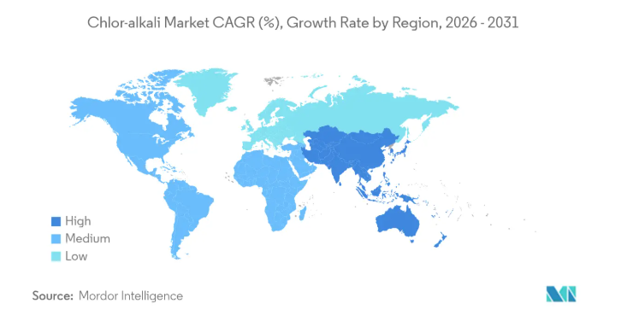
 |  |  |  |  |  |  |  |  |  |  |  |  |  |  |  |  |  |  |  |  | Chlorine & Hydrogen | Captive Feedstock | Baseline for all derivatives
 |  |  |  |  |  |  |  |  |  |  |  |  |  |  |  |  |  |  |  | Industrial By-products | Hydrochloric Acid (HCl) | Related product | Steel pickling, Water treatment
 |  |  |  |  |  |  |  |  |  |  |  |  |  |  |  |  |  |  |  |  | Sodium Hypochlorite | Related product | Disinfectant, Bleaching
 |  |  |  |  |  |  |  |  |  |  |  |  |  |  |  |  |  |  |  |  | Diluted Sulphuric Acid | Process byproduct | Industrial chemical processes
 |  |  |  |  |  |  |  |  |  |  |  |  |  |  |  |  |  |  |  | Chloromethanes (CMS) | Methyl Chloride, MDC, Chloroform, CTC | 50,000 TPA (5th largest in India) | Pharma solvents, Refrigerants
 |  |  |  |  |  |  |  |  |  |  |  |  |  |  |  |  |  |  |  | CPVC Value Chain | CPVC Resin | 75,000 TPA (Expanding to 150,000) | Heat-resistant plumbing (PVC)
 |  |  |  |  |  |  |  |  |  |  |  |  |  |  |  |  |  |  |  |  | CPVC Compound | 35,000 TPA (Commissioned 2024) | Ready-to-use pipe material
 |  |  |  |  |  |  |  |  |  |  |  |  |  |  |  |  |  |  |  | Specialty Derivatives | Epichlorohydrin (ECH) | 50,000 TPA (Expanding to 100,000) | Epoxy Resins (Windmills, Auto)
 |  |  |  |  |  |  |  |  |  |  |  |  |  |  |  |  |  |  |  |  | Hydrogen Peroxide (H2​O2​) | 60,000 TPA (3rd largest in India) | Paper, Pulp, Textile bleaching
 |  |  |  |  |  |  |  |  |  |  |  |  |  |  |  |  |  |  |  | Chlorotoluenes | OCT, PCT, DCT (8-9 total products) | Commissioned Q4 FY25 | Agrochemicals, Pharma (APIs)

 | Indian Special chemical market Growth

 | CN Market Insight | https://www.custommarketinsights.com/report/india-specialty-chemicals-market/
India’s chemical industry is extremely diversified and can be broadly classified into bulk chemicals, specialty chemicals, agrochemicals, petrochemicals, polymers, fertilisers and covering more than 80,000 commercial products. India is the sixth largest producer of chemicals in the world and third in Asia, contributing 7% to India’s GDP.India's chemical sector, which was estimated to be worth around US$ 250 billion in 2024, is anticipated to grow to US$ 300 billion by 2028 and US$ 1 trillion by 2040.
The India specialty chemicals market size was reached at USD 62.78 billion in 2024 and is expected to exceed around USD 96.73 billion by 2034, growing at a compound annual growth rate (CAGR) of 4.41% over the forecast period 2025 to 2034.
India’s specialty chemicals market has been experiencing rapid growth due to increasing industrialization, a strong manufacturing base, and favorable government policies. The rise of end-user industries like pharmaceuticals, agrochemicals, and personal care has fueled demand. The Indian government’s push for "Atmanirbhar Bharat" (self-reliant India) and incentives for domestic production have further strengthened the sector. Additionally, the global shift from China to India for chemical manufacturing, driven by environmental regulations and supply chain diversification, has contributed to India's growth.
The Economic Survey 2025–26 notes that the chemical sector accounted for 8.1 percent of manufacturing Gross Value Added in FY24, alongside a steady rise in output over the past decade. Production of major chemicals and petrochemicals increased from 45,638 thousand metric tonnes in FY16 to 58,617 thousand metric tonnes in FY25, translating into a CAGR of 2.8 percent

 | CARG | 4.80%

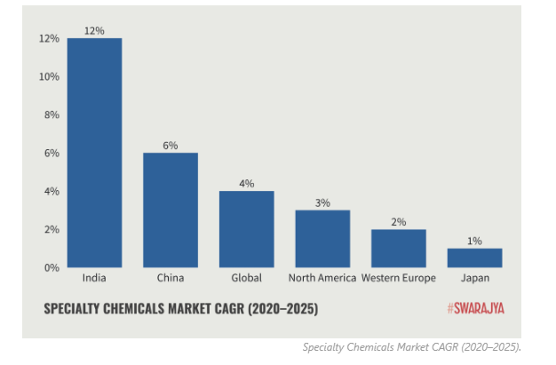
 | Finnovate | https://www.finnovate.in/learn/blog/specialty-chemicals-india-global-opportunity

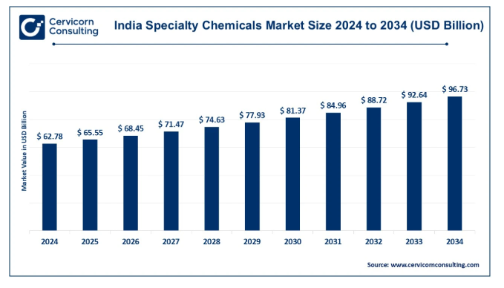
 | CARG | 12%-16% | 12% | 16%

 | Invest iNdia | https://www.investindia.gov.in/team-india-blogs/chemical-industry-growth-drivers-and-investment-opportunities-india

 | CAGR upto 30 | 11%

 | Grand view research | https://www.grandviewresearch.com/industry-analysis/india-specialty-fine-chemicals-market-report

 | Carg 30 | 9.30%

 | Spherical Insight | https://www.sphericalinsights.com/reports/india-specialty-fine-chemicals-market-size

 | 22 revenue | usa 48.05 billion
 | Cagr 32 | 8.70% |  |  |  |  |  |  |  | 49 | 53 | 57 | 62 | 68 | 74 | 80 | 87 | 95 | 103 | 112
 |  |  |  |  |  |  |  |  |  |  | 8.7 |  | 3.80% | 65 | 70 | 76 | 83 | 90 | 98 | 107
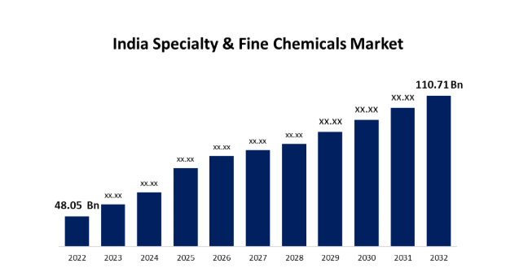
 |  | https://swarajyamag.com/economy/bottled-ambitions-can-indias-specialty-chemicals-live-up-to-hype

 | IMARC | https://www.imarcgroup.com/india-specialty-chemicals-market

 | 24 Revenue | USD 64.5 b
 | Cagr 33 | 3.80%

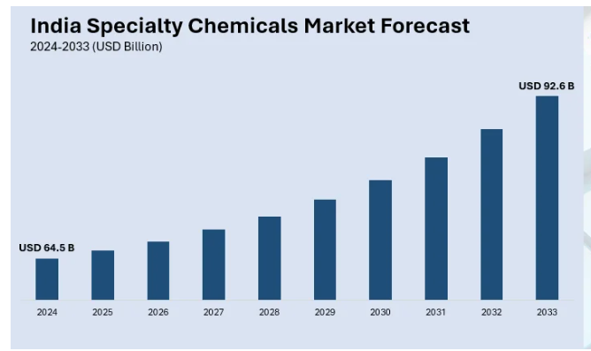

 | Global Market in SC
 | Grand View Research | https://www.grandviewresearch.com/industry-analysis/specialty-chemicals-market

 | 24 Revenue | USD 978.97 bi
 | 30 Cagr | 5%

 | Markets & Markets | https://www.marketsandmarkets.com/Market-Reports/global-specialty-chemicals-165.html

 | CAGR | 5%

 | Technavio | https://www.technavio.com/report/specialty-chemicals-market-industry-analysishttps:/www.technavio.com/report/specialty-chemicals-market-industry-analysis

 | CAGR | 6.70%

 | Yahoo Finance | https://finance.yahoo.com/news/specialty-chemicals-market-size-worth-141100310.html?guccounter=1&guce_referrer=aHR0cHM6Ly93d3cuZ29vZ2xlLmNvbS8&guce_referrer_sig=AQAAABTKsS5upkv_yVJRWc-whpYBkaK8tPzSFLvJRgyYNQsq8OmK1o6YRDCTAHJrKhztbv-bdpKvhoa03gc70WWc9MqFzNkGfCrOkwSnvakYwF4P1LdyWYIlFZkvyjLA-qX8MK9p2c38taj7w_Les_YAlceXEJhbq1GukzETpZbNlktz

 | According to Towards Chemical and Materials, the global specialty chemicals market size was reached at USD 671.19 billion in 2024 and is expected to be worth around USD 1,118.55 billion by 2034, growing at a compound annual growth rate (CAGR) of 5.24% over the forecast period 2025 to 2034.

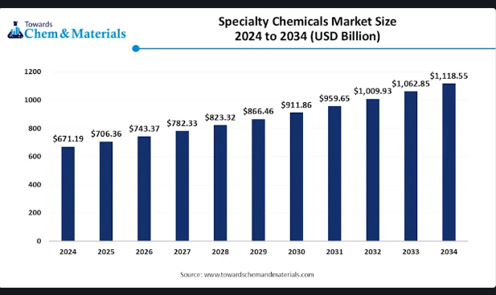

 | IMARC | https://www.imarcgroup.com/specialty-chemicals-market

 | CAGR) of 3.23%

 | Company Concalls

 | May-25
 |  |  |  |  |  |  |  |  |  | Aug-25

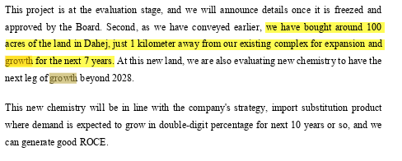

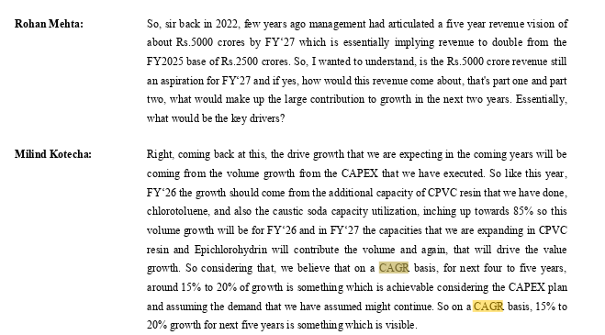

 |  |  |  |  |  |  |  |  |  |  | Nov-25

 |  |  |  |  |  |  |  |  |  |  | Grow upto 2035 -40 in Double digit

 |  |  |  | 30601.2 | 38400.8 | 46200.4
 |  | 2024 | 2025 | 2026 | 2027 | 2028
 | Only 33 Is comes from Derivatives | 19292 | 25501 | 32001 | 38500 | 45000
 |  |  | 32.18% | 25.49% | 20.31% | 16.88%
 |  |  |  | 20%
 | Street Estimates
 |  | Emkay
 | Epigral maintains volume growth guidance of 15-20% for coming couple of years

 |  | 2024 | 2025 | 2026 | 2027 | 2028
 | Emkay | 19292 | 25501 | 31030 | 37993 | 46717
 |  |  | 32.18% | 21.68% | 22.44% | 22.96%

 | Market Scrneer | 2024 | 2025 | 2026 | 2027 | 2028 |  | https://in.marketscreener.com/quote/stock/EPIGRAL-LIMITED-126415281/finances/
 |  | 19292 | 25501 | 24749 | 30283 | 37949
 |  |  | 32.18% | -2.95% | 22.36% | 25.31%

The company has posted revenue of INR 2550 Crores in FY2025. The revenue has been grown at a CAGR of 5.2% and 25.2% during the last 3 and 5 Years respectively. The management is extremely positive on overall growth of Indian Speciality Chemical market due to factors such as Urbanization, Low Per-Capita Consumption, Growing consumption in FMCG, Textile, Electronics, Automobiles, Make in India, Agrochemicals, Additives for Paints, coatings, Resin and etc. In Chemical Sector mainly faces the constraints in their sales but the Epigral has done the significant capex ( increase the Capacity PMT of their diversified portfolio) during the past 3 and 4 years to remain in the competition and betting on these product mix for next leg of growth. The company has given guidance of 15% to 20%.
The Analyst's consensus growth for FY2026 is INR 31030 crores which is 21.68% growth over the FY2025 revenues of 2550.2 crores.
Considering the challenges company might face such as Market and pricing volatility(Aggressive Chinese pressure, Destocking), Customer approver cycle usually is bit longer than other sectors, Supply chain disruption (Red Sea crisis and the Ukraine-Russia), Trade uncertainties, Government policies, Increase in competitions and Raw material Fluctuation's etc.
We assume the company would maintained double digit growth of with an Average of 20% upto 2033 and then after it degrow with average 10% to 12% after 2033 due to increase in their increasing competition. The company revenue is came from most of the derivative products and recent capex conducted by the company to streamline the new product such as (Chlorotoluene's Value Chain) and completely different" value chain and chemistry from the current Chlor-Alkali model in their new greenfield project which leads the future growth as well.

 |  |  |  |  |  |  |  |  |  |  |  |  |  |  |  |  |  | The Indian specialty chemicals market is expected to grow at around 9%–12% CAGR over the next 5–6 years. This growth is supported by India’s overall GDP growth across end-user sectors such as FMCG, textiles, electronics, automobiles, agrochemicals, and paints & coatings, along with structural drivers like urbanization, low per-capita consumption, and Make in India.

# | Gross Margin

 | Company Historical Margin

 |  | 2021 | 2022 | 2023 | 2024 | 2025 |  | Median | Average
 | Gross Margin | 54% | 51% | 49% | 45% | 47% |  | 49.0% | 49.1% |  | When ever this Median and Average are close means that consistency has been maintained

 | Sector Data - Damodaran

 | Just India
 | Chemical (Specialty) | 34.42%

 | Emerging Market
 | Chemical (Specialty) | 23.05%

 | Global
 | Chemical (Specialty) | 30.24%

 | Management Guidance

 | Chlor Alkali & its Derivatives
 | This competitive head start was thereafter supplemented by the manufacture of products that were import substitutes, ability to market products with speed, enhance capacity utilisation and generate superior economies, in-sell within the Company (end product becoming the raw material for another business), manufacturing all products within an integrated manufacturing facility that made it possible to moderate logistics and carbon footprint costs and commission shared facilities that could feed a range of downstream units.

 | H1,670 Cr in the five years ending FY 2024-25. We intend to invest H800 Cr in the next two years ending FY 2026-27. Each capital spending round has been accompanied by guardrails: raw material availability from within, import substitution product and a readily available market leading to a high EBITDA margin and a consolidated RoCE band of 23-25% as the Company moves strategically towards consuming Chlorine manufactured inhouse to prod

 | The Company’s integration – locational and portfolio – makes it possible to widen the value chain, maximise revenues from basic raw material, moderate logistic costs and strengthen working capital efficiency.

 | See, I mean, we have always said that the raw material prices and the final product price moves
 | in tandem. The link when we say is just that the marginal movement in the raw material prices
 | will not trigger the CPVC prices to that extent. But if there is such a kind of a drop in the PVC
 | prices, that will impact. Like on the other side, if we look at the Epichlorohydrin, the glycerin
 | prices have moved up and that has reflected in the ECH prices. So, that generally moves in line,
 | assuming that the demand scenario is a constant rate.

During FY2025, gross margins were Increase by 210 bps to 47% primarily due to improvement in Price mix, Favorable product mix, Energy Cost Optimization ( wind-solar hybrid power plant) etc. as explained by the management.
The raw material constitutes of ≈95% + of the total Cost of Goods Sold and ≈54% of the revenues. The cost of Raw material primarily driven by its chlor-alkali operations, as chlor-alkali forms the base chemistry for most of its downstream products. In addition, a substantial part of the chlor-alkali output—particularly chlorine and caustic soda—is captively consumed for the production of higher-value derivatives such as CPVC, Epichlorohydrin, and chlorotoluene's. Going forward, although the absolute cost base remains anchored to chlor-alkali economics, the rising contribution from derivatives is expected to improve blended margins due to better realizations and value addition.
While historically, the company has posted gross margin ≈ 47% -55% with median of 49% in the last 5 Years. Basis our research the gross margin posted by Speciality Chemical sector was 34.42%, by the sector in global emerging market was 23.05% and global sector margin was 30.24%.
The increase in the margin during FY2025 was due to increase in Mix of Derivatives products, we assume that margin will retract to ≈45% to ≈47% in short run because of increase in the raw materials for making the derivatives products and in long run around ~50% to ≈52% this is due to the the company become an efficient in making the products.

# | SG&A Expenses

 |  |  |  |  |  |  |  | CAGR
 | Particulars | 2021 | 2022 | 2023 | 2024 | 2025 |  | 3 Years | 5 Years
 | Revenue from Operations (Net) | 829 | 1551 | 2188 | 1929 | 2550 |  | 5.2% | 25.2%
 | Sales Growth |  | 87.1% | 41.1% | -11.8% | 32.2%

 | SG&A Expense | 182 | 280 | 384 | 387 | 486 |  | 8.2% | 21.7%
 |  |  | 53.6% | 37.1% | 1.0% | 25.4%

 | Particulars | 2021 | 2022 | 2023 | 2024 | 2025
 | Revenue | 829 | 1551 | 2188 | 1929 | 2550

 | Salaries, Wages & Bonus | 41 | 52 | 69 | 81 | 98
 | Power & Fuel Cost | 26 | 100 | 154 | 141 | 180
 | Rent , Rates & Taxes | 24 | 1 | 4 | 13 | 16
 | Other Administration | 21 | 25 | 18 | 9 | 17
 | Selling and Distribution Cost | 5 | 17 | 29 | 26 | 45
 | Other Miscellaneous Expenses & Insurance | 22 | 22 | 30 | 32 | 36
 | Other Operating Expenses | 44 | 63 | 80 | 86 | 94
 | Total SG&A Expenses | 182 | 280 | 384 | 387 | 486

 | SG&A % Revenue | 22.0% | 18.0% | 17.5% | 20.1% | 19.0% |  | 19.0% | 19.3%

 | Common Size
 | Particulars | 2021 | 2022 | 2023 | 2024 | 2025 |  | Median | Average
 |  | h
 | Salaries, Wages & Bonus | 22.5% | 18.6% | 18.0% | 20.9% | 20.2% |  | 20.2% | 20.0%
 | Power & Fuel Cost | 14.3% | 35.7% | 40.1% | 36.4% | 37.1% |  | 36.4% | 32.7%
 | Rent , Rates & Taxes | 13.2% | 0.5% | 0.9% | 3.4% | 3.3% |  | 3.3% | 4.2%
 | Other Administration | 11.5% | 8.9% | 4.7% | 2.2% | 3.5% |  | 4.7% | 6.2%
 | Selling and Distribution Cost | 2.5% | 6.1% | 7.6% | 6.7% | 9.3% |  | 6.7% | 6.4%
 | Other Miscellaneous Expenses & Insurance | 11.9% | 7.7% | 7.8% | 8.2% | 7.3% |  | 7.8% | 8.6%
 | Other Operating Expenses | 24.1% | 22.5% | 20.9% | 22.2% | 19.4% |  | 22.2% | 21.8%
 | Total SG&A Expenses | 100.0% | 100.0% | 100.0% | 100.0% | 100.0%

 | Particulars | 2021 | 2022 | 2023 | 2024 | 2025 |  | Median | Average
 |  | h
 | Revenue | 829 | 1551 | 2188 | 1929 | 2550

 | Salaries, Wages & Bonus | 41 | 52 | 69 | 81 | 98 |  | 69 | 68
 | Salaries, Wages & Bonus % Revenue | 4.9% | 3.4% | 3.2% | 4.2% | 3.8% |  | 3.8% | 3.9%

 | Power & Fuel Cost | 26 | 100 | 154 | 141 | 180 |  | 141 | 120
 | Power & Fuel % Revenue | 3.1% | 6.4% | 7.0% | 7.3% | 7.1% |  | 7.0% | 6.2%

 | Other Operating Expenses | 44 | 63 | 80 | 86 | 94 |  | 80 | 73
 | Other Operating Expenses % Revenue | 5.3% | 4.1% | 3.7% | 4.5% | 3.7% |  | 4.1% | 4.2%

 | Other SG&A Expenses | 71 | 65 | 81 | 79 | 114 |  | 79 | 82
 | Other SG&A Expenses % Revenue | 8.6% | 4.2% | 3.7% | 4.1% | 4.5% |  | 4.2% | 5.0%

 | Total SG&A % Revenue | 22.0% | 18.0% | 17.5% | 20.1% | 19.0% |  | 19.0% | 19.3%
 | Total SG&A Expenses | 182 | 280 | 384 | 387 | 486

During FY2025, the company has reported EBITDA margin 27.9% which is 290 bps Higher than FY2024. THe reason for increase in EBITDA margin higher capacity utilization (81%) and an improved product mix with Derivatives & Specialty chemicals . The Management is determined to keep the operating expenses in check and gave EBITDA guidance of ≈25% to ≈28%.
Basis our our research, we have identified that historically SG&A expenses is 19% of revenue. Where three expenses viz Salary, Wages & Bonus, Power & Fuel, Other Operating Expenses Constitute 78.8% of total SG&A expenses. This Three Key Expenses are directly linked with sales.
We assumed, Total SG&A expenses to remain at 19% level as percentage of revenue which is almost aling with Street Estimate and Management Guidance.

 |  |  |  |  |  |  |  |  |  |  |  |  |  |  | Inventories |  | 54 | 154 | 212 | 263 | 388
 |  |  |  |  |  |  |  |  |  |  |  |  |  |  | Trade Receivables |  | 119 | 256 | 166 | 179 | 232
 |  |  |  |  |  |  |  |  |  |  |  |  |  |  | Other Current Assets |  | 9 | 37 | 41 | 59 | 154
 |  |  |  |  |  |  |  |  |  |  |  |  |  |  | Investments |  | 0 | 0 | 0 | 0 | 77
 |  |  |  |  |  |  |  |  |  |  |  |  |  |  | Cash and Cash Equivalents |  | 1 | 25 | 15 | 7 | 22
 |  |  |  |  |  |  |  |  |  |  |  |  |  |  | Advances recoverable in cash or in kind |  | 3 | 6 | 6 | 9 | 12
 |  |  |  |  |  |  |  |  |  |  |  |  |  |  | Other Loans and Advances |  | 2 | 2 | 2 | 3 | 6
 |  |  |  |  |  |  |  |  |  |  |  |  |  |  | Prepaid Expenses |  | 1 | 1 | 2 | 2 | 2
 |  |  |  |  |  |  |  |  |  |  |  |  |  |  | Other Current Asset |  | 2 | 4 | 16 | 37 | 35

# | Current Assets

 | Historically |  |  |  |  |  |  | CAGR
 | Particulars | FY2021 | FY2022 | FY2023 | FY2024 | FY2025 |  | 3 Years | 5 Years
 | Inventories | 54 | 154 | 212 | 263 | 388 |  | 22.3% | 48.4%
 | Trade Receivables | 119 | 256 | 166 | 179 | 232 |  | 11.8% | 14.3%
 | Cash and Cash Equivalents | 1 | 25 | 15 | 7 | 22 |  | 13.6% | 99.3%
 | Other Current Asset | 8 | 12 | 26 | 52 | 132 |  | 71.9% | 74.8%
 | Total Current Assets | 181.8 | 447.2 | 419.0 | 500.8 | 774.0 |  | 22.7% | 33.6%

 | Total assets | 1449 | 2124 | 2432 | 2794 | 3152 |  | 9.0% | 16.8%

 | Current Assets % Total Assets | 12.55% | 21.05% | 17.23% | 17.92% | 24.56% |  | 12.5% | 14.4%

 | Common Size
 | Particulars | FY2021 | FY2022 | FY2023 | FY2024 | FY2025

 | Particulars | Revenue Growth YOY % | Inventory Growth YOY %
 | 2021
 | 2022 | 0.87092882992 | 1.8518518519
 | 2023 | 0.4107027724 | 0.37662337662
 | 2024 | -0.11837294333 | 0.24056603774
 | 2025 | 0.32192846034 | 0.4752851711
 | Inventories | 29.7% | 34.4% | 50.6% | 52.5% | 50.1%
 | Trade Receivables | 65.5% | 57.2% | 39.6% | 35.7% | 30.0%
 | Cash and Cash Equivalents | 0.4% | 5.6% | 3.6% | 1.4% | 2.8%
 | Other Current Asset | 4.5% | 2.7% | 6.2% | 10.4% | 17.1%
 | Total Current Assets | 100.0% | 100.0% | 100.0% | 100.0% | 100.0%

# | Inventory

 | Particulars | 2021 | 2022 | 2023 | 2024 | 2025 |  | Median | Average
 | Revenue | 829 | 1551 | 2188 | 1929 | 2550
 | Revenue Growth YOY % |  | 87.1% | 41.1% | -11.8% | 32.2% |  | 36.6% | 37.1%

 | Inventories | 54 | 154 | 212 | 263 | 388
 | Inventory Growth YOY % |  | 185.2% | 37.7% | 24.1% | 47.5% |  | 42.6% | 73.6%

 | Average Inventory |  | 104 | 183 | 237.5 | 325.5
 | Average Inventory |  | 0.10 | 0.10 | 0.14 | 0.15

 | Average Inventory % Revenue | 6.5% | 9.9% | 9.7% | 13.6% | 15.2% |  | 9.9% | 11.0%

 | COGS | 385 | 761 | 1115 | 1061 | 1353

 | Inventory Turnover Ratio (COGS) | 7.13x | 4.94x | 5.26x | 4.03x | 3.49x |  | 4.94x | 4.97x
 | Inventory Turnover Ratio (Revenue) | 15.35x | 10.07x | 10.32x | 7.33x | 6.57x |  | 10.07x | 9.93x

 | Inventory Days (COGS) | 51Days | 74Days | 69Days | 90Days | 105Days |  | 74Days | 78Days
 | Inventory Days (Revenue) | 24Days | 36Days | 35Days | 50Days | 56Days |  | 36Days | 40Days
 | 365

 | Peers Inventory Days Analysis | 2021 | 2022 | 2023 | 2024 | 2025
 | Epigral | 24Days | 36Days | 35Days | 50Days | 56Days
 | Gujarat Alkalies & Chemicals Ltd (GACL) | 34Days | 34Days | 37Days | 39Days | 44Days
 | Gujarat Narmada Valley Fertilizers & Chemicals Ltd (GNFC) | 58Days | 41Days | 40Days | 52Days | 58Days
 | Tata Chemicals Ltd | 60Days | 66Days | 55Days | 60Days | 63Days
 | Grasim Industries Ltd | 30Days | 36Days | 35Days | 38Days | 38Days
 | Chemplast Sanmar Ltd |  | 44Days | 48Days | 53Days | 55Days

 | Median | 46Days | 41Days | 40Days | 52Days | 55Days |  | 46Days | 47Days
 | Average | 45Days | 44Days | 43Days | 48Days | 52Days |  | 45Days | 47Days

The Company increase inventory as its main strategy is to transform the revenue from Chlor-Alkali to the speciality derivatives products which shows the high margins in comparison to the Chlor-Alkali. The management uses the chlor-alkali as building block or captive uses to produce the product and due to transformation this the inventory level is also increase.
Historically, the company is maintaining the inventory Levels ≈10% of Revenues. With inventory turnover ratio is being consistent ≈10.5% and inventory days 38.
The peers company in the market maintains inventory of ≈53 Days which is higher than the 5 yearly historical inventory days of the company.
We assume our inventory levels to go up by 8 days from 47 days to 56 days from the FY2025-26 because the company projected the new products which leads to increase the inventory days and later it normalize to the peers Average of ≈47 - 49 days.

 | Revenue Growth YOY % | Trade Receivable YOY %
2021
2022 | 0.87092882992 | 1.1512605042
2023 | 0.4107027724 | -0.3515625
2024 | -0.11837294333 | 0.078313253012
2025 | 0.32192846034 | 0.29608938547

# | Debtors

 | Particulars | 2021 | 2022 | 2023 | 2024 | 2025 |  | Median | Average
 | Revenue | 829 | 1551 | 2188 | 1929 | 2550
 | Revenue Growth YOY % |  | 87.1% | 41.1% | -11.8% | 32.2% |  | 36.6% | 37.1%

 | Trade Receivable | 119 | 256 | 166 | 179 | 232
 | Trade Receivable YOY % |  | 115.1% | -35.2% | 7.8% | 29.6% |  | 18.7% | 29.4%

 | Average Trade Receivable |  | 188 | 211 | 173 | 206

 | Average Trade Receivable % Revenue | 0.0% | 12.1% | 9.6% | 8.9% | 8.1% |  | 8.9% | 7.7%

 | Receivable Turnover Ratio (Revenue) | 6.97x | 8.27x | 10.37x | 11.18x | 12.41x |  | 10.37x | 9.84x

 | Debtory Days | 52Days | 44Days | 35Days | 33Days | 29Days |  | 35Days | 39Days
 | 365

 | Peers Inventory Days Analysis | 2021 | 2022 | 2023 | 2024 | 2025
 | Epigral |  | 44Days | 35Days | 33Days | 29Days |  | 34Days | 35Days
 | Gujarat Alkalies & Chemicals Ltd (GACL) | 43Days | 29Days | 23Days | 17Days | 24Days |  | 24Days | 27Days
 | Gujarat Narmada Valley Fertilizers & Chemicals Ltd (GNFC) | 36Days | 26Days | 13Days | 29Days | 20Days |  | 26Days | 25Days
 | Grasim Industries Ltd | 21Days | 21Days | 18Days | 19Days | 23Days |  | 21Days | 20Days
 | Chemplast Sanmar Ltd |  | 12Days | 11Days | 18Days | 13Days |  | 12Days | 13Days
 | SRF | 55Days | 53Days | 44Days | 54Days | 54Days |  | 54Days | 52Days
 | TGV SRACC LTD | 36Days | 56Days | 36Days | 44Days | 52Days |  | 44Days | 45Days
 | Primo Chemicals |  | 26Days | 27Days | 32Days | 28Days |  | 27Days | 28Days
 | Deepak Nitrite | 63Days | 61Days | 60Days | 62Days | 56Days |  | 61Days | 60Days

 | Median | 40Days | 28Days | 25Days | 30Days | 26Days |  | 28Days | 30Days
 | Average | 43Days | 35Days | 29Days | 34Days | 34Days |  | 34Days | 35Days

 | Street estimate

 | Rceivables Ageing Schedule

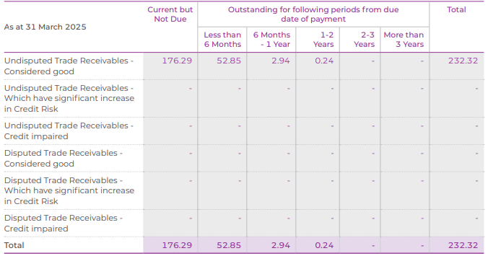

 | 176.29 | 52.85 | 2.94 | 0.24 | 0 | 232.32
 | 76% | 23% | 1% | 0% | 0% | 100%

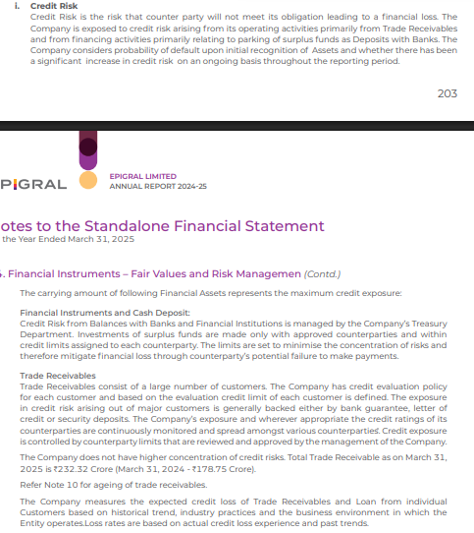
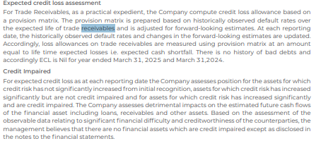

The Company has show that there Receivable Days is in decreasing trend due to there significant validation of their strategic shift toward high-value derivatives. The company has robust collection mechanism due to which receivables level were normalize by the end of year. Further, only 24% of receivable were due for the 6 months and the company is not exposed to any significant risk because they are already headge with the banks. The company has policy to deal with the creditworthy counterparties. We don't see any impairment by the company near future.
Historically, the company is maintaining the Receivable Levels ≈9% of Revenues. With median Receivable turnover ratio is being consistent ≈11% and Receivable days 34. The peer's company in the market maintains Receivable of ≈21 Days which is lower than the 5 yearly historical inventory days of the company.
We foresee receivables levels to be flat 35 Days.

# | Other Current Assets

 | Current Assets | FY2021 | FY2022 | FY2023 | FY2024 | FY2025 |  | Median | Average
 | Revenue | 829 | 1551 | 2188 | 1929 | 2550
 | Other Current Asset | 8 | 12 | 26 | 52 | 132

 | Other Current assets % of Revenue | 0.98% | 0.79% | 1.19% | 2.70% | 5.18% |  | 1.19% | 2.16%

 | We assume the other current assets remains flat of 5% of revenue of an average pf last 3 yrs.

# | Fixed assets

 | Particulars | FY2021 | FY2022 | FY2023 | FY2024 | FY2025 |  | Median | Average
 | Gross Block | 1424 | 1475 | 2320 | 2406 | 2953
 | Less: Accumulated Depreciation | 321 | 407 | 516 | 639 | 715 |  |  |  |  |  | Less: Land |  | 11.37 | 32.22 | 199.4 | 212.69 | 212.69
 | Net Fixeds Assets | 1103 | 1068 | 1804 | 1767 | 2238

 | Total assets | 1449 | 2124 | 2432 | 2794 | 3152

 | Net Fixed assets % of Total Assets | 76.1% | 50.3% | 74.2% | 63.2% | 71.0% |  | 71.0% | 67.0%

 | Revenue | 829 | 1551 | 2188 | 1929 | 2550

 | Net Fixed assets % of Revenue | 133.1% | 68.9% | 82.4% | 91.6% | 87.8% |  | 87.8% | 92.7%

 | Growth in Gross Block YOY % |  | 3.6% | 57.3% | 3.7% | 22.7% |  |  | 21.8%

 | Change in Gross Block |  | 51 | 845 | 86 | 547
 | Change in Revenue |  | 722 | 637 | -259 | 621

 | Change in Revenue / Change in Gross Block |  | 14x | 1x | -3x | 1x |  | 1x | 3x
 | Asset Turnover Ratio | 57% | 73% | 90% | 69% | 81% |  | 73% | 74%

 | Break up of Gross Fixed Assets | FY2021 | FY2022 | FY2023 | FY2024 | FY2025

 | Land | 11.37 | 32.22 | 199.4 | 212.69 | 212.69
 | Building | 159.86 | 161.6 | 219.61 | 239.47 | 271.71
 | Plant Machinery | 1210 | 1238.03 | 1855.61 | 1902.05 | 2415.89
 | Equipments | 1.1 | 1.32 | 2.93 | 5.87 | 6.63
 | Computers | 0.56 | 0.75 | 0.95 | 1.35 | 1.73
 | Furniture n fittings | 4.55 | 4.44 | 4.76 | 7.71 | 7.92
 | Vehicles | 2.01 | 1.94 | 2.2 | 2.43 | 2.28
 | Intangible Assets | 8.03 | 8.03 | 8.03 | 8.03 | 8.03
 | Other fixed assets | 26.21 | 26.21 | 26.21 | 26.21 | 26.21
 | Total Fixed Assets | 1423.69 | 1474.54 | 2319.7 | 2405.81 | 2953.09

 | Common Size
 | Break up of Fixed Assets | FY2021 | FY2022 | FY2023 | FY2024 | FY2025

 | Land | 0.80% | 2.19% | 8.60% | 8.84% | 7.20%
 | Building | 11.23% | 10.96% | 9.47% | 9.95% | 9.20%
 | Plant Machinery | 84.99% | 83.96% | 79.99% | 79.06% | 81.81% |  | Exclude Land for Gross Block & non Depreciable land ≈7.5% of total gross block
 | Equipments | 0.08% | 0.09% | 0.13% | 0.24% | 0.22%
 | Computers | 0.04% | 0.05% | 0.04% | 0.06% | 0.06%
 | Furniture n fittings | 0.32% | 0.30% | 0.21% | 0.32% | 0.27%
 | Vehicles | 0.14% | 0.13% | 0.09% | 0.10% | 0.08%
 | Intangible Assets | 0.56% | 0.54% | 0.35% | 0.33% | 0.27%
 | Other fixed assets | 1.84% | 1.78% | 1.13% | 1.09% | 0.89%
 | Total Fixed Assets | 100% | 100% | 100% | 100% | 100%

 | Particulars | FY2021 | FY2022 | FY2023 | FY2024 | FY2025
 | Change in Gross Block | 0 | 51 | 845 | 86 | 547
 | Depreciation | 71 | 83 | 106 | 120 | 129
 | Amortization | 3 | 3 | 3 | 3 | 3
 | Dep & Amo | 74 | 86 | 109 | 124 | 133

 | Maintainance Capex | 74 | 86 | 109 | 124 | 133
 | Growth Capex | 0 | 0 | 736.05 | 0 | 414.44

 | Management Guidance
 |  |  |  |  |  |  |  | May Concall 25
 |  |  |  |  |  |  | Capex Guidance for FY2026-27 |  |  | 450 Crors
 |  |  |  |  |  |  | Green Field - Dahej GUJARAT
 |  |  |  |  |  |  | No debt for capex

 | Street Estimate

Historically, Company has done major growth capex of ≈ 738 crores and ≈ 415 crores in FY2023 and FY2025 respectively. For the year the company has commited the capex cash outflow of ≈450 crores. The majority capex is greenfield to expand the capacity of there new line derivative items in the Dahej Gujarat and Brownfield Expansions: The doubling of CPVC resin (to 150,000 TPA) and Epichlorohydrin (ECH) (to 100,000 TPA) is being executed within the existing 165-acre integrated complex in Dahej as well. The company is aggresive about future capex as the new product viz Derivatives of the chlorotoluene CPVC, additional capacity, as well as Epichlorohydrin in additional capacity and these has growth potential and uncaptured geographies.
we assume the company to conduct the capex of INR 450 Crores in the year 2026-2027 which will be perform as a fuel in companies growth. For the remaining future years we assume growth company should maintain its managemnets Words of INR 2000 Capex upto 2033
During the terminal year, capex is benchmarked with the Depreciation (100% maintainance) for moderate growth.

 | Particulars | FY2021 | FY2022 | FY2023 | FY2024 | FY2025 |  | FY2026

 | Property, Plant and Equipment | 1071 | 1039 | 1779 | 1745 | 2219 |  | 2669
 | Other Intangible Assets | 31 | 29 | 25 | 22 | 19
 | Total Assets | 1102 | 1068 | 1804 | 1767 | 2238
 |  |  | -2.9% | 71.1% | -1.9% | 27.2% |  | 20.28%
 |  |  | -9% | -12% | -11% | -17%
 | Annual Report 2025

 | Particulars | FY2025 | FY2026 | FY2027 | FY2028 | FY2029 | FY2030 | FY2031 | FY2032 | FY2033 | FY2034 | FY2035 | FY2036 | FY2037 | FY2038 | FY2039
 | Capex | 195 | 450 | 600 | 750 | 900 | 1050 | 1200 | 1350 | 1500 | 1560 | 1622 | 1687 | 1755 | 1825 | 1898
 | Capex Growth YOY |  | 131% | 33% | 25% | 20% | 17% | 14% | 13% | 11% | 4% | 4% | 4% | 4% | 4% | 4%

# | Other Non Current Assets

 | Particulars | FY2021 | FY2022 | FY2023 | FY2024 | FY2025 |  | Median | Average
 | Revenue | 829 | 1551 | 2188 | 1929 | 2550
 | Other Non-current Assets | 39.2 | 19.8 | 51 | 43.2 | 76

 | Other Non Current Assets % Revenue | 4.7% | 1.3% | 2.3% | 2.2% | 3.0% |  | 2.33% | 2.71%

 | Other Non Current Assets remains 0% flat for the netx year

# | CWIP

 | Particulars | FY2021 | FY2022 | FY2023 | FY2024 | FY2025 |  | Median | Average
 | Net Fixeds Assets | 1103 | 1068 | 1804 | 1767 | 2238
 | CWIP | 126 | 589 | 158 | 483 | 64
 | CWIP % of Fixed Assets | 11.4% | 55.1% | 8.8% | 27.3% | 2.9% |  | 11.42% | 21.11%

 | Median CWIP% Fixed Assets - Moderate Capex | 5.81%
 | Median CWIP% Fixed Assets - Aggressive Capex | 27.33%

 | Management Guidence

 | No Guidence

 | Street Estimates

 | EMKAY Report | 64 | 400 | 300 | 200
 | It is In Decrease Trend by 100 bPS points

Historically, Company's CWIP has Shoot up to ≈27.33% following the years of high growth Capex which eventually settle down to the media of 5.82% of Net Fixed Assets. Basis the overall management commentary, the company is foresseing continued capex in year 2026 and 2027 for which company has also acquired a land bank. We assume, the CWIP to remain at 0% of net fixed assets in future.

# | Depreciation

 | Revenue | 829 | 1551 | 2188 | 1929 | 2550

 | Particulars | FY2021 | FY2022 | FY2023 | FY2024 | FY2025 |  | Median | Average
 | Gross Block | 1424 | 1475 | 2320 | 2406 | 2953
 | Less: Land | 11.37 | 32.22 | 199.4 | 212.69 | 212.69
 | Depreciable Gross Block | 1412.63 | 1442.78 | 2120.6 | 2193.31 | 2740.31
 | Less: Accumulated Depreciation | 321 | 407 | 516 | 639 | 715
 | Net Depreciable Fixed Assets | 1091.63 | 1035.78 | 1604.6 | 1554.31 | 2025.31

 | Depreciation For the Year | 70.77 | 82.67 | 105.72 | 120.33 | 129.33
 | Amortization for the Year | 3.23 | 3.23 | 3.23 | 3.23 | 3.23
 | Sum | 74 | 85.9 | 108.95 | 123.56 | 132.56

 | First Approach of Depreciation
 | Average life of Assets | 19 | 17 | 19 | 18 | 21 |  | 19 | 19
 | Average Age of Assets | 4 | 5 | 5 | 5 | 5 |  | 5 | 5
 | % of Assets Depreciated | 23% | 28% | 24% | 29% | 26%

 | Second Approach of Depreciation
 | Depreciation % of Fixed Assets | 5% | 6% | 5% | 5% | 4% |  | 5% | 5%

 | Third Approach of Depreciation
 | Depreciation % of Gross Block | 5% | 6% | 5% | 5% | 4% |  | 5% | 5%

 | Fourth Approach of Depreciation
 | Depreciation % of Revenue | 9% | 6% | 5% | 6% | 5% |  | 6% | 6%
 | Trade Payables % Revenue | Trade Receivables % Revenue
FY2021 | 9% | 14%
FY2022 | 6% | 17%
FY2023 | 5% | 8%
FY2024 | 10% | 9%
FY2025 | 7% | 9%

# | Current Liablity

 | Particulars | FY2021 | FY2022 | FY2023 | FY2024 | FY2025
 | Trade Payable | 73 | 88 | 110 | 184 | 186
 | Growth YoY % |  | 21% | 25% | 67% | 1%

 | COGS | 385 | 761 | 1115 | 1061 | 1353

 | Trade Payables % Cogs | 19% | 12% | 10% | 17% | 14% |  | 14% | 14%

 | Trade Payables | 69 Days | 42 Days | 36 Days | 63 Days | 50 Days |  | 50 Days | 52 Days
 | 365

 | Revenue | 829 | 1551 | 2188 | 1929 | 2550

 | Trade Payables % Revenue | 9% | 6% | 5% | 10% | 7% |  | 7% | 7%
 | Trade Receivables % Revenue | 14% | 17% | 8% | 9% | 9% |  | 9% | 11%

 | Trade Payables | 32 Days | 21 Days | 18 Days | 35 Days | 27 Days |  | 27 Days | 27 Days

 | Peers Payables Days Analysis

 | Peers Inventory Days Analysis | 2021 | 2022 | 2023 | 2024 | 2025
 | Epigral | 32 Days | 21 Days | 18 Days | 35 Days | 27 Days |  | 27Days | 27Days
 | Gujarat Alkalies & Chemicals Ltd (GACL) | 43Days | 34Days | 40Days | 36Days | 45Days |  | 40Days | 40Days
 | Gujarat Narmada Valley Fertilizers & Chemicals Ltd (GNFC) | 28Days | 27Days | 21Days | 24Days | 23Days |  | 24Days | 25Days
 | Grasim Industries Ltd | 38Days | 43Days | 41Days | 43Days | 38Days |  | 41Days | 41Days
 | Chemplast Sanmar Ltd |  | 119Days | 138Days | 162Days | 140Days |  | 139Days | 140Days
 | SRF | 69Days | 62Days | 55Days | 61Days | 58Days |  | 61Days | 61Days
 | TGV SRACC LTD | 27Days | 17Days | 10Days | 11Days | 20Days |  | 17Days | 17Days
 | Primo Chemicals |  | 35Days | 22Days | 28Days | 42Days |  | 32Days | 32Days
 | Deepak Nitrite | 37Days | 27Days | 30Days | 26Days | 23Days |  | 27Days | 29Days

 | Median | 37Days | 35Days | 35Days | 32Days | 40Days
 | Average | 40Days | 46Days | 45Days | 49Days | 49Days |  | 46Days | 46Days

 | Management Guidance

 | No Guidance Available

 | Street Estimate

 | No Street Estimate Available

Company has maintained consistent payables of ≈ 50-52 Days and decrease in 2023 to 2024 due to faster payment cycle, However it normalized in the FY 2025 to 50 Days. The trade Payable is consistently ≈14% of COGS and ≈7% of Revenue.
The Peer Company in the market maintains payable of ≈35 Days which is lower than the 5 Yearly historical payable days of the company.
In the absence of Management Guidance, Street Estimate and basis our research, we assume the payables days remains to flat at 50 Days.

# | Other Current Liablity

 | We assume other current liablities excluding Short term borrowing to remains flat at FY2025 levels. The short borrowing seperately calculated

# | DEBT

 | Particulars | FY2021 | FY2022 | FY2023 | FY2024 | FY2025

 | Long-Term Borrowings | 340 | 768 | 545 | 547 | 449
 | YoY Growth % |  | 126% | -29% | 0% | -18% |  | -9% | 20%
 | Short-Term Borrowings | 75 | 80 | 92 | 221 | 50
 | YoY Growth % |  | 7% | 15% | 140% | -77% |  | 11% | 21%
 | Total Borrowing | 415 | 848 | 637 | 768 | 499
 | YoY Growth % |  | 104% | -25% | 21% | -35% |  | -2% | 16%

 | Equity | 684 | 726 | 1070 | 1255 | 1904

 | LTB% Tb | 82% | 91% | 86% | 71% | 90% |  | 86% | 84%
 | STB%TB | 18% | 9% | 14% | 29% | 10% |  | 14% | 16%

 | Revenue | 829 | 1551 | 2188 | 1929 | 2550

 | LBT% Revenue | 41% | 50% | 25% | 28% | 18% |  | 28% | 32%
 | STB% Revenue | 9% | 5% | 4% | 11% | 2% |  | 5% | 6%

 | Debt to equit | 0.61x | 1.17x | 0.60x | 0.61x | 0.26x |  | 0.61x | 0.65x
 | Debt to Capital | 0.38x | 0.54x | 0.37x | 0.38x | 0.21x |  | 0.38x | 0.38x
 | Debt to Assets | 0.29x | 0.40x | 0.26x | 0.27x | 0.16x |  | 0.27x | 0.28x
 | Debt to EBITDA | 1.59x | 1.66x | 0.92x | 1.60x | 0.70x |  | 1.59x | 1.29x

 | Management Guidance
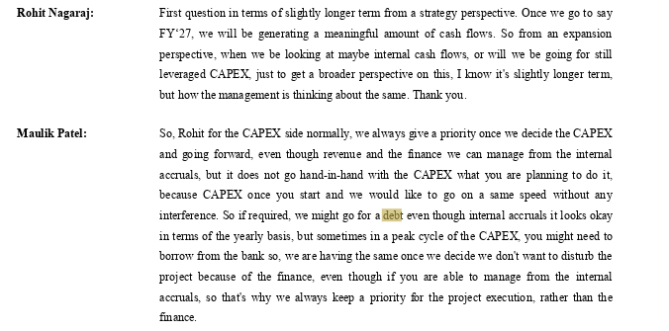

 |  |  |  |  |  |  |  | May-25

 |  |  |  |  |  |  |  | Nov-23

In the recent years, the company has reduce the long term debt from ≈547 CR to 449 CR which is 100 bps points with the debt to equity ratio at 0.61x, Debt to capital ratio at 0.38x, Debt to assets ratio at 0.27x and Debt to EBITDA ratio at 1.59x.
The management provide the guidance to keep the debt to EBITDA ratio under the threshold limit of 2x which is perfectly aligned with our recent performance.
The Management has committed to reduce the debt levels further in future. Also the company has guided for the debt levels at constant levels if don't require the Leverage in Capex.
We assume that long term debt to grow by 10% due to higher capex for the next five years and eventually grows at 7% for the future, Also the short borrowing debt to grow at 5% of the revenue.

# | DEBT

 | Particulars | FY2021 | FY2022 | FY2023 | FY2024 | FY2025
 | Total Borrowing | 415 | 848 | 637 | 768 | 499
 | Interest Cost | 34 | 48 | 67 | 73 | 53
 | Interest Cost% Tb | 8% | 6% | 11% | 10% | 11% |  | 10% | 9%

 | Particulars | Interest Rate | Amount
 | In 2024 | 8.45% | 547
 | In 2025 | 7.01% | 449
 |  | 7.80%

 | OR KD | 5.50%

# | Other Income

 | Particulars | FY2021 | FY2022 | FY2023 | FY2024 | FY2025
 | Revenue | 829 | 1551 | 2188 | 1929 | 2550
 | Other Income | 7.5 | 8.3 | 9.3 | 6.6 | 15
 | Other Income % Revenue | 0.9% | 0.5% | 0.4% | 0.3% | 0.6% |  | 0.5% | 0.6%

 | We Assume Other income Remains flat at 0.5% of Revenue

# | Dividend

 | Particulars | FY2021 | FY2022 | FY2023 | FY2024 | FY2025
 | Equity | 0 | 0 | 10 | 10 | 32
 | Total Net Profit | 101 | 254 | 354 | 196 | 358
 | Dividend Payout Ration | 0.0% | 0.0% | 2.9% | 5.3% | 8.8% | #DIV/0!

 | We Assume Other income Remains flat at 5%

# | Cash

 | Particulars | FY2021 | FY2022 | FY2023 | FY2024 | FY2025 | 2026 | FY2026 | FY2027 | FY2028 | FY2029 | FY2030 | FY2031 | FY2032 | FY2033 | FY2034 | FY2035 | FY2036 | FY2037 | FY2038 | FY2039
 | Total Cash | 1 | 25 | 14 | 3 | 19 |  | 148 | 157 | 120 | 103 | 126 | 164 | 273 | 327 | 486 | 601 | 755 | 937 | 1125 | 1523
 | Revenue | 829 | 1551 | 2188 | 1929 | 2550 |  | 2958 | 3609 | 4511 | 5639 | 6950 | 8444 | 10112 | 11932 | 13721 | 15642 | 17519 | 19271 | 20813 | 21854

 | Cash % Revenue | 0% | 2% | 1% | 0% | 1% | #DIV/0! | 5% | 4% | 3% | 2% | 2% | 2% | 3% | 3% | 4% | 4% | 4% | 5% | 5% | 7%

 | Total Assets | 1449 | 2124 | 2432 | 2794 | 3152 |  | 3644 | 4228 | 4957 | 5868 | 6903 | 8062 | 9363 | 10740 | 12162 | 13524 | 14857 | 16125 | 17280 | 18442
 | Cash % Total Assets | 0% | 1% | 1% | 0% | 1% |  | 4% | 4% | 2% | 2% | 2% | 2% | 3% | 3% | 4% | 4% | 5% | 6% | 7% | 8%

 | Assumed Operating Cash % Revenue | 0% | 2% | 1% | 0% | 1% |  | 2% | 2% | 2% | 2% | 2% | 2% | 2% | 2% | 2% | 2% | 2% | 2% | 2% | 2%

 | Operating Cash | 1 | 25 | 14 | 3 | 19 |  | 59 | 72 | 90 | 113 | 139 | 169 | 202 | 239 | 274 | 313 | 350 | 385 | 416 | 437

 | Excess Cash | - | - | - | - | - | - | 89 | 85 | 30 | -10 | -13 | -5 | 71 | 89 | 211 | 288 | 404 | 552 | 709 | 1086
 | Operating Cash | Excess Cash
FY2021 | 1 | -
FY2022 | 25 | -
FY2023 | 14 | -
FY2024 | 3 | -
FY2025 | 19 | -
FY2026 |  | -
FY2026 | 59 | ₹ 89
FY2027 | 72 | ₹ 85
FY2028 | 90 | ₹ 30
FY2029 | 113 | (₹ 10)
FY2030 | 139 | (₹ 13)
FY2031 | 169 | (₹ 5)
FY2032 | 202 | ₹ 71
FY2033 | 239 | ₹ 89

Wacc
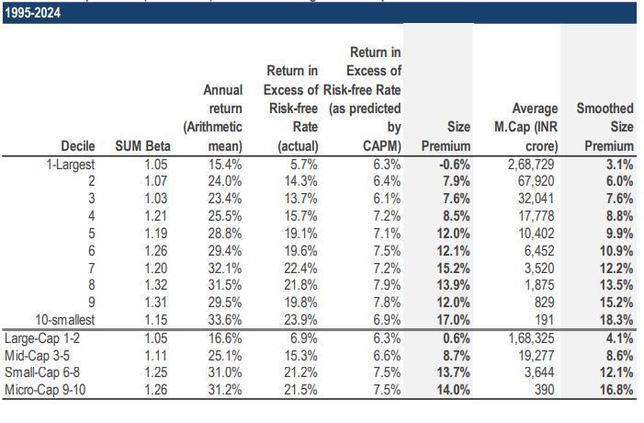
# | Epigral Ltd. |  |  |  |  |  |  | Epigral Mark Cap | 4,442
 | Weighted Average Cost of Capital

 | Particulars | Low | Mid | High |  | Risk Free Rate

 | Risk Free Rate | 4.54% | 4.54% | 4.54% |  | We have considered 4.54% as the risk free rate in estimation of cost of equity of 12.58%.The risk free rate of india is calculated by considering local currency 10 years government bond yield adjusted for default spread of India.
 | Equity Risk Premium | 6.34% | 6.34% | 6.34%
 | Asset Beta | 0.87 | 1.02 | 1.17
 | D/E Ratio | 26% | 26% | 26%
 | Equity Beta | 1.10 | 1.27 | 1.45
 | CAPM Cost of Equity | 11.50% | 12.58% | 13.76% |  | Asset Beta

 | Small Size Premium | 12.22% | 12.22% | 12.22% |  | We have estimated an asset beta range of 0.87 to 1.17 with the mid point of 1.02 based on observed median of 5 year monthly asset beta of benchmark listed companies for Blume effect .
 | Asset Specific Premium | 0.00% | 0.00% | 0.00%
 | Modified Cost of Equity | 23.72% | 24.80% | 25.98%

 | Pre Tax Cost of Debt | 7.10% | 7.10% | 7.10% |  | Equity Risk Premium
 | Marginal Tax Rate | 25.17% | 25.17% | 25.17%
 | Post Tax Cost of Debt | 5.31% | 5.31% | 5.31% |  | An ERP of 6.34% has been adopted as on US implierd Erp, relative equity volatilly of ICE BoFA Public Sector Issues Emerging Mkts Index, S&P emerging BMI Index and country risk premium of India.

 | Capital Gearing (D/D+E) | 20.77% | 20.77% | 20.77%
 | Weighted Average Cost of Capital | 19.90% | 20.75% | 21.69%
 | Weighted Average Cost of Capital (Rounded) | 20.00% | 21.00% | 22.00% |  | Cost of Debt

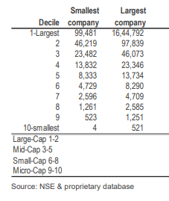
 | 1. Tax Rate considered as Marginal Tax Rate of india |  |  |  |  | For the purpose of assessing the cost of debt, we have used country's risk free rate, country default rate and corporate default spread rate based on company's debt rating and interest coverage ration.
 | 2. Asset Beta is considered as Median of 5 Years beta of comps adjusted for blume effect.
 | 3. Equity Beta = Asset Beta * (1+(1-Tax Rate )* Debt / Equity

 |  |  |  |  |  | Small Size Premium

 |  |  |  |  |  | Empirically small size assets premium have expected the return as compared to large sized assets. We have used the study on size premium conducted by incwert which is based on difference between actual return and CAPM expected returns arranged in decile basis market capitalization of indian Companies.

 |  |  |  |  |  | Asset Specific Premium

 | Epigral Ltd.
 | Beta Analysis - 2 Years Weekly

# | Comparables Company | Ticker | No. of Weekly Observations | Market Cap | Asset Beta | 2 Years Avg D/E | Equity Beta | 2 Years avg D/(D+E) |  | Considered? | Narrow set
 | Gujarat Alkalies & Chemicals Ltd (GAKL) | GAKL | 105 | 3,259 | 1.12 | 4.9% | 1.161 | 4.5% |  | Yes | True
 | Gujarat Narmada Valley Fertilizers & Chemicals Ltd (GNFC) | GNFC | 105 | 6,955 | 1.31 | 0.6% | 1.311 | 0.6% |  | Yes | True | Yes
 | Grasim Industries Ltd | GRASIM | 105 | 189,015 | 0.53 | 172.9% | 1.209 | 63.2% |  | No | False | No
 | Chemplast Sanmar Ltd | CHEMPLASTS | 105 | 4,032 | 0.72 | 90.0% | 1.202 | 47.4% |  | Yes | True
 | SRF | SRF | 105 | 83,021 | 0.61 | 40.6% | 0.800 | 28.9% |  | No | False
 | TGV SRACC LTD | TGV SRACC | 105 | 921 | 1.10 | 29.8% | 1.340 | 23.0% |  | No | False
 | Primo Chemicals | PRIMO | 105 | 476 | 0.54 | 44.7% | 0.717 | 30.9% |  | No | False
 | Deepak Nitrite | DEEPAKNITRITE | 105 | 22,162 | 0.94 | 14.7% | 1.039 | 12.3% |  | No | False

 | Median - Broad Set |  |  |  | 0.83 | 35.2% | 1.18 | 25.9%
 | Average - Broad Set |  |  |  | 0.86 | 49.8% | 1.10 | 26.3%

 | Median - Considered Set |  |  |  | 1.12 | 4.9% | 1.202 | 4.5%
 | Average - Considered Set |  |  |  | 1.05 | 31.9% | 1.225 | 17.5%

 | Epigral Ltd.
 | Beta Analysis - 5 Years Monthly

# | Comparables Company | Ticker | No. of Weekly Observations | Market Cap | Asset Beta | 5 Years Avg D/E | Equity Beta | 5 Years avg D/(D+E) |  | Considered? | Narrow set
 | Gujarat Alkalies & Chemicals Ltd (GAKL) | GAKL | 60 | 3,259 | 1.44 | 7.8% | 1.52 | 7.1% |  | Yes | True
 | Gujarat Narmada Valley Fertilizers & Chemicals Ltd (GNFC) | GNFC | 60 | 6,955 | 1.29 | 0.3% | 1.29 | 0.3% |  | Yes | True
 | Grasim Industries Ltd | GRASIM | 60 | 189,015 | 0.57 | 139.2% | 1.16 | 57.5% |  | No | False
 | Chemplast Sanmar Ltd | CHEMPLASTS | 60 | 4,032 | 0.74 | 57.3% | 1.06 | 56.8% |  | Yes | True
 | SRF | SRF | 60 | 83,021 | 0.72 | 43.6% | 0.96 | 30.3% |  | No | False
 | TGV SRACC LTD | TGV SRACC | 60 | 921 | 0.54 | 45.2% | 0.72 | 29.5% |  | No | False
 | Primo Chemicals | PRIMO | 60 | 476 | 0.28 | 29.5% | 0.34 | 21.4% |  | No | False
 | Deepak Nitrite | DEEPAKNITRITE | 60 | 22,162 | 1.41 | 13.2% | 1.54 | 11.0% |  | No | False

 | Median - Broad Set |  |  |  | 0.73 | 36.6% | 1.11 | 25.4%
 | Average - Broad Set |  |  |  | 0.87 | 42.0% | 1.07 | 26.7%

 | Median - Considered Set |  |  |  | 1.29 | 7.8% | 1.294 | 7.1%
 | Average - Considered Set |  |  |  | 1.16 | 21.8% | 1.292 | 21.4%

 | Epigral Ltd.
 | Blume Beta Analysis - 5 Years Monthly | `2/3 - Beta *1/3* Market Beta |  |  |  | 25.17%

# | Comparables Company | Ticker | No. of Weekly Observations | Market Cap | Asset Beta | 5 Years Avg D/E | Equity Beta | 5 Years avg D/(D+E) | Considered? | Narrow set
 | Gujarat Alkalies & Chemicals Ltd (GAKL) | GAKL | 60 | 3,259 | 1.22 | 7.8% | 1.29 | 7.1% | Yes | True
 | Gujarat Narmada Valley Fertilizers & Chemicals Ltd (GNFC) | GNFC | 60 | 6,955 | 1.15 | 0.3% | 1.15 | 0.3% | Yes | True
 | Grasim Industries Ltd | GRASIM | 60 | 189,015 | 0.52 | 139.2% | 1.07 | 57.5% | No | False
 | Chemplast Sanmar Ltd | CHEMPLASTS | 60 | 4,032 | 0.70 | 57.3% | 1.00 | 56.8% | Yes | True
 | SRF | SRF | 60 | 83,021 | 0.71 | 43.6% | 0.94 | 30.3% | No | False
 | TGV SRACC LTD | TGV SRACC | 60 | 921 | 0.59 | 45.2% | 0.78 | 29.5% | No | False
 | Primo Chemicals | PRIMO | 60 | 476 | 0.45 | 29.5% | 0.55 | 21.4% | No | False
 | Deepak Nitrite | DEEPAKNITRITE | 60 | 22,162 | 1.19 | 13.2% | 1.31 | 11.0% | No | False

 | Median - Broad Set |  |  |  | 0.70 | 36.6% | 1.03 | 25.4%
 | Average - Broad Set |  |  |  | 0.81 | 42.0% | 1.01 | 26.7%

 | Median - Considered Set |  |  |  | 1.15 | 7.8% | 1.149 | 7.1%
 | Average - Considered Set |  |  |  | 1.02 | 21.8% | 1.148 | 21.4%

 | We are taking 1.02 as Asset beta of Chemicals Units

Report
 | Epigral Limited (formerly known as Meghmani Finechem Limited) is a leading integrated Indian chemical manufacturer that has transitioned from a bulk chemical producer into a global multi-product chemical conglomerate. Established in 2007 and headquartered in Ahmedabad, the company operates a massive, state-of-the-art integrated manufacturing hub in Dahej, Gujarat

 | Epigral Limited, hereinafter referred to as “the Company,” was incorporated on 19 June 2007 in Ahmedabad, Gujarat, and became a publicly listed company on 18 August 2021 following its demerger from Meghmani Organics and listing on the NSE and BSE. The Company is engaged in the manufacturing and sale of chlor-alkali and its derivatives, along with trading of agrochemical products. It commenced its chlor-alkali operations in 2009. Over time, Epigral expanded its installed capacity. In subsequent years, the Company diversified its product portfolio by commissioning plants for CPVC resin and Epichlorohydrin (ECH). The Company has since transformed from a chlor-alkali manufacturer into a downstream specialty chemical company through capacity expansion and integration at its Dahej, Gujarat complex. It produces caustic soda, chlorine, and hydrogen as base chemicals and utilizes them internally to manufacture higher-value derivatives such as epichlorohydrin (a key precursor for epoxy resins), CPVC resin, and other chlorinated intermediates used in pharmaceuticals, agrochemicals, construction materials, and performance plastics
Product Wise Breakup
 | Derivatives & Specialty Products | 75%
 | Basic Chlor-Alkali (Commodity chemicals) | 25%

Date | Price
19-Feb-25 | 1,773
20-Feb-25 | 1,795
21-Feb-25 | 1,738
24-Feb-25 | 1,709
25-Feb-25 | 1,676
27-Feb-25 | 1,630
28-Feb-25 | 1,613
3-Mar-25 | 1,555
4-Mar-25 | 1,711
5-Mar-25 | 1,730
6-Mar-25 | 1,764
7-Mar-25 | 1,867
10-Mar-25 | 1,775
11-Mar-25 | 1,808
12-Mar-25 | 1,793
13-Mar-25 | 1,814
The global economy experienced a once-in-a-century disruption due to the COVID-19 pandemic, resulting in a sharp contraction followed by a gradual recovery across most economies. The post-pandemic period (CY2022–CY2025) remained volatile, driven by the Russia–Ukraine conflict, elevated energy and food prices, persistent inflationary pressures and tightening monetary policy across major central banks. In addition, increasing geopolitical fragmentation, including U.S.–China trade tensions and tariffs, has contributed to supply chain realignments and cost pressures. China continues to hold a dominant position in the processing and refining of several critical minerals essential for modern technologies, adding further strategic uncertainty to global trade dynamics.
The global growth remained resilient but moderate. Developed economies expanded at approximately 1.8% in CY2025 compared with 1.6% in CY2024, while emerging and developing economies maintained stronger growth of about 4.4% versus 4.3% in CY2024. Overall, the global economy grew around 3.3% in CY2025, broadly in line with the previous year.
17-Mar-25 | 1,776
18-Mar-25 | 1,825
19-Mar-25 | 1,884
20-Mar-25 | 1,905
21-Mar-25 | 1,924
24-Mar-25 | 1,980
Global GDP Projections%
25-Mar-25 | 1,891
26-Mar-25 | 1,893
27-Mar-25 | 1,910
28-Mar-25 | 1,904
1-Apr-25 | 1,898
2-Apr-25 | 1,947 |  | Global GDP Prediction
3-Apr-25 | 1,943 |  |  | 2024A | 2025P | 2026P
4-Apr-25 | 1,765 |  | World | 3.3 | 3.2 | 3.1
7-Apr-25 | 1,672 |  | Advanced Economies | 1.8 | 1.6 | 1.6
8-Apr-25 | 1,717 |  | Developing Economies | 4.3 | 4.2 | 4
9-Apr-25 | 1,679 |  | Euro Area | 0.9 | 1.2 | 1.1
11-Apr-25 | 1,785 |  | US | 2.8 | 2 | 2.1
15-Apr-25 | 1,836 |  | Japan | 0.1 | 1.1 | 0.6
16-Apr-25 | 1,877 |  | Uk | 1.1 | 1.3 | 1.3
17-Apr-25 | 1,878 |  | China | 5 | 4.8 | 4.2
Indai vs Global GDP Growth%
21-Apr-25 | 1,897 |  | India | 6.5 | 6.6 | 6.2
22-Apr-25 | 1,950
23-Apr-25 | 1,890
24-Apr-25 | 1,913
25-Apr-25 | 1,839 |  | India GDP Growth |  | India | Global
28-Apr-25 | 1,855 |  |  | 2019 | 3.90% | 2.70%
29-Apr-25 | 1,823 |  |  | 2020 | -5.80% | -2.80%
30-Apr-25 | 1,735 |  |  | 2021 | 9.70% | 6.40%
2-May-25 | 1,763 |  |  | 2022 | 7.60% | 3.40%
5-May-25 | 1,780 |  |  | 2023 | 9.20% | 2.90%
6-May-25 | 1,772 |  |  | 2024 | 6.50% | 2.90%
7-May-25 | 1,795 |  |  | 2025P | 6.60% | 3.05%
8-May-25 | 1,763 |  |  | 2026P | 6.20% | 3.10%
9-May-25 | 1,752
Indian GDP Quarterly Growth -Actual vs Projected
12-May-25 | 1,841
13-May-25 | 1,849 |  | Quarterly | Actual | Projected
14-May-25 | 1,820 |  | Q3 FY2024 | 8.40% | 6.60%
15-May-25 | 1,857 |  | Q4 FY2024 | 7.80% | 6.70%
16-May-25 | 1,837 |  | Q1 FY2025 | 6.70% | 6.90%
19-May-25 | 1,954 |  | Q2 FY2025 | 5.40% | 6.50%
20-May-25 | 1,888 |  | Q3 FY2025 | 6.20% | 6.30%
21-May-25 | 1,886 |  | Q4 FY2025 | 7.40% | 6.70%
22-May-25 | 1,871 |  | Q1 FY2026 | 7.80% | 6.60%
23-May-25 | 1,859 |  | Q2 FY2026 | 8.20% | 7.30%
26-May-25 | 1,881
27-May-25 | 1,871
28-May-25 | 1,819
29-May-25 | 1,787
30-May-25 | 1,780
2-Jun-25 | 1,778 |  | Year | Volume
3-Jun-25 | 1,784 |  | 2025A | 941
Global Specialty Chemicals Market Size Forecasts(USD Billion)
4-Jun-25 | 1,775 |  | 2026F | 978
5-Jun-25 | 1,796 |  | 2027F | 1018
6-Jun-25 | 1,781 |  | 2028F | 1060
9-Jun-25 | 1,836 |  | 2029F | 1104
10-Jun-25 | 1,816 |  | 2030F | 1151
11-Jun-25 | 1,828 |  | 2031F | 1196
12-Jun-25 | 1,817 |  | 2032F | 1241
13-Jun-25 | 1,819 |  | 2033F | 1286
16-Jun-25 | 1,816 |  | 2034F | 1332
17-Jun-25 | 1,794 |  | 2035F | 1377
18-Jun-25 | 1,782
19-Jun-25 | 1,715
20-Jun-25 | 1,731
23-Jun-25 | 1,738
24-Jun-25 | 1,754 |  | North America | 23.38%
Market Share By Region 2025
25-Jun-25 | 1,817 |  | Europe | 26.66%
26-Jun-25 | 1,809 |  | Asia Pacific | 41.05%
27-Jun-25 | 1,800 |  | Lamea | 8.91%
30-Jun-25 | 1,808
1-Jul-25 | 1,835
2-Jul-25 | 1,827
3-Jul-25 | 1,822
4-Jul-25 | 1,817
7-Jul-25 | 1,785
8-Jul-25 | 1,778
9-Jul-25 | 1,789
10-Jul-25 | 1,763
11-Jul-25 | 1,741
14-Jul-25 | 1,736
15-Jul-25 | 1,768
16-Jul-25 | 1,768
Indian Specialty Forecast growth in
17-Jul-25 | 1,803
18-Jul-25 | 1,798
21-Jul-25 | 1,789
22-Jul-25 | 1,787
23-Jul-25 | 1,803 |  | 2024A | 62.78
24-Jul-25 | 1,851 |  | 2025A | 65.55
25-Jul-25 | 1,848 |  | 2026F | 68.45
28-Jul-25 | 1,817 |  | 2027F | 71.47
29-Jul-25 | 1,953 |  | 2028F | 74.63
30-Jul-25 | 2,089 |  | 2029F | 77.93
31-Jul-25 | 2,019 |  | 2030A | 81.37
1-Aug-25 | 1,956 |  | 2031F | 84.96
4-Aug-25 | 1,829 |  | 2032F | 88.72
Historical CAGR %
5-Aug-25 | 1,919 |  | 2033F | 92.64
6-Aug-25 | 1,851 |  | 2034F | 96.73
7-Aug-25 | 1,856
8-Aug-25 | 1,832
11-Aug-25 | 1,863 |  | India | 12%
12-Aug-25 | 1,855 |  | China | 6%
13-Aug-25 | 1,865 |  | Global | 4%
14-Aug-25 | 1,868 |  | North America | 3%
18-Aug-25 | 1,881 |  | Western Europe | 2%
19-Aug-25 | 1,862 |  | Japan | 1%
20-Aug-25 | 1,863
21-Aug-25 | 1,894
22-Aug-25 | 1,845
25-Aug-25 | 1,834
26-Aug-25 | 1,791
28-Aug-25 | 1,819
29-Aug-25 | 1,811 |  |  |  | Capex Chart
1-Sep-25 | 1,808 |  |  | 2022A | 2023A | 2024A | 2025A | 2026E | 2027E | 2028E | 2029E | 2030E | 2031E | 2032E | 2033E | 2034E | 2035E | 2036E | 2037E | 2038E | 2039E
2-Sep-25 | 1,798 |  | Capex | 456 | 416 | 398 | 186 | 450 | 600 | 750 | 900 | 1050 | 1200 | 1350 | 1500 | 1560 | 1622 | 1687 | 1755 | 1825 | 1898
3-Sep-25 | 1,802 |  | Growth |  | -9% | -4% | -53% | 141% | 33% | 25% | 20% | 17% | 14% | 13% | 11% | 4% | 4% | 4% | 4% | 4% | 4%
4-Sep-25 | 1,773
5-Sep-25 | 1,761 |  | Sales | 1551 | 2188 | 1929 | 2550 | 2958 | 3550 | 4437 | 5546 | 6836 | 8305 | 9946 | 11736 | 13496 | 15386 | 17232 | 18955 | 20472 | 21495
8-Sep-25 | 1,764 |  | Capex% Sales | 29% | 19% | 21% | 7% | 15% | 17% | 17% | 16% | 15% | 14% | 14% | 13% | 12% | 11% | 10% | 9% | 9% | 9%
9-Sep-25 | 1,781
10-Sep-25 | 1,785
11-Sep-25 | 1,799
12-Sep-25 | 1,786
15-Sep-25 | 1,759
16-Sep-25 | 1,773
17-Sep-25 | 1,792
18-Sep-25 | 1,782
19-Sep-25 | 1,763
22-Sep-25 | 1,746
23-Sep-25 | 1,735
24-Sep-25 | 1,715
25-Sep-25 | 1,708
26-Sep-25 | 1,659
29-Sep-25 | 1,702
Revenue Growth
 | Reveune | YOY Growth %
2025E | 2550
2026E | 2958 | 16%
2027E | 3550 | 20%
2028E | 4437 | 25%
2029E | 5546 | 25%
2030E | 6836 | 23%
2031E | 8305 | 21%
2032E | 9946 | 20%
2033E | 11736 | 18%
2034E | 13496 | 15%
2035E | 15386 | 14%
2036E | 17232 | 12%
2037E | 18955 | 10%
2038E | 20472 | 8%
2039E | 21495 | 5%
30-Sep-25 | 1,691
1-Oct-25 | 1,731 |  | Revenue Chart
3-Oct-25 | 1,754
6-Oct-25 | 1,734 |  |  | 2025A | 2026E | 2027E | 2028E | 2029E | 2030E | 2031E | 2032E | 2033E | 2034E | 2035E | 2036E | 2037E | 2038E | 2039E
7-Oct-25 | 1,724 |  | Reveune | 2550 | 2958 | 3550 | 4437 | 5546 | 6836 | 8305 | 9946 | 11736 | 13496 | 15386 | 17232 | 18955 | 20472 | 21495
8-Oct-25 | 1,714 |  | YOY Growth % |  | 16% | 20% | 25% | 25% | 23% | 21% | 20% | 18% | 15% | 14% | 12% | 10% | 8% | 5%
9-Oct-25 | 1,713
10-Oct-25 | 1,716 |  |  | 2025A | 2026E | 2027E | 2028E | 2029E | 2030E | 2031E | 2032E | 2033E | 2034E | 2035E | 2036E | 2037E | 2038E | 2039E
13-Oct-25 | 1,706 |  | Gross Margins | 47% | 45% | 45% | 45% | 46% | 46% | 47% | 47% | 48% | 51% | 51% | 51% | 52% | 52% | 52%
14-Oct-25 | 1,686
15-Oct-25 | 1,670
16-Oct-25 | 1,702
17-Oct-25 | 1,701
20-Oct-25 | 1,686
21-Oct-25 | 1,705
23-Oct-25 | 1,701
24-Oct-25 | 1,706
27-Oct-25 | 1,697
28-Oct-25 | 1,698
29-Oct-25 | 1,707
30-Oct-25 | 1,689
31-Oct-25 | 1,690
3-Nov-25 | 1,698
4-Nov-25 | 1,682
SG&A % Revenue
6-Nov-25 | 1,670
7-Nov-25 | 1,648 |  | SG&A Chart
10-Nov-25 | 1,528
11-Nov-25 | 1,491 |  | Revenue | 2188 | 1929 | 2550 | 2958 | 3549.6 | 4437 | 5546.25 | 6835.753125 | 8305.4400469 | 9945.7644561 | 11736.002058 | 13496.402367 | 15385.898698 | 17232.206542 | 18955.427196
12-Nov-25 | 1,531
13-Nov-25 | 1,531 |  | SG&A Expenses | 384 | 387 | 486 | 562 | 674 | 843 | 1054 | 1299 | 1578 | 1890 | 2230 | 2564 | 2923 | 3274 | 3602
14-Nov-25 | 1,508 |  | SG&A % Revenue | 17.5% | 20.1% | 19.0% | 19.0% | 19.0% | 19.0% | 19.0% | 19.0% | 19.0% | 19.0% | 19.0% | 19.0% | 19.0% | 19.0% | 19.0%
17-Nov-25 | 1,513
18-Nov-25 | 1,483
19-Nov-25 | 1,467
20-Nov-25 | 1,455
21-Nov-25 | 1,452
24-Nov-25 | 1,419
25-Nov-25 | 1,436
26-Nov-25 | 1,468
27-Nov-25 | 1,482
Inventory Days
Trade Receivable
28-Nov-25 | 1,512
1-Dec-25 | 1,501
2-Dec-25 | 1,496
3-Dec-25 | 1,462
4-Dec-25 | 1,475 |  | Inventory Chart
5-Dec-25 | 1,472
8-Dec-25 | 1,432 |  |  | 2023A | 2024A | 2025A | 2026E | 2027E | 2028E | 2029E | 2030E | 2031E | 2032E | 2033E | 2034E | 2035E | 2036E | 2037E
9-Dec-25 | 1,445 |  | Inventory | 212 | 263 | 388 | 394 | 453 | 542 | 676 | 794 | 930 | 1064 | 1256 | 1256 | 1256 | 1256 | 1256
10-Dec-25 | 1,431 |  | Inventory Days | 69 | 90 | 105 | 88 | 85 | 81 | 82 | 79 | 77 | 74 | 75 | 69 | 61 | 54 | 50
11-Dec-25 | 1,421
12-Dec-25 | 1,413
15-Dec-25 | 1,437 |  | Trade Receivable Chart
16-Dec-25 | 1,418 |  |  | 2023A | 2024A | 2025A | 2026E | 2027E | 2028E | 2029E | 2030E | 2031E | 2032E | 2033E | 2034E | 2035E | 2036E | 2037E
17-Dec-25 | 1,401 |  | Trade Receivable | 166 | 179 | 232 | 284 | 340 | 425 | 532 | 655 | 796 | 954 | 1125 | 1294 | 1475 | 1652 | 1818
Trade Payable
Borrowings
18-Dec-25 | 1,440 |  | Trade Receivable Days | 28 | 34 | 33 | 35 | 35 | 35 | 35 | 35 | 35 | 35 | 35 | 35 | 35 | 35 | 35
19-Dec-25 | 1,389
22-Dec-25 | 1,333 |  | Trade Payable Chart
23-Dec-25 | 1,337 |  |  | 2023A | 2024A | 2025A | 2026E | 2027E | 2028E | 2029E | 2030E | 2031E | 2032E | 2033E | 2034E | 2035E | 2036E | 2037E
24-Dec-25 | 1,319 |  | Trade Payable | 110 | 184 | 186 | 223 | 267 | 334 | 413 | 504 | 605 | 717 | 836 | 906 | 1033 | 1157 | 1246
26-Dec-25 | 1,278 |  | Trade Payable Days | 36 | 63 | 50 | 50 | 50 | 50 | 50 | 50 | 50 | 50 | 50 | 50 | 50 | 50 | 50
29-Dec-25 | 1,252
30-Dec-25 | 1,234
31-Dec-25 | 1,220 |  | Debt
1-Jan-26 | 1,263 |  |  | 2021A | 2022A | 2023A | 2024A | 2025A
2-Jan-26 | 1,246 |  | LTB% Tb | 82% | 91% | 86% | 71% | 90%
5-Jan-26 | 1,190 |  | STB%TB | 18% | 9% | 14% | 29% | 10%
6-Jan-26 | 1,167
7-Jan-26 | 1,161
8-Jan-26 | 1,138
9-Jan-26 | 1,118
12-Jan-26 | 1,151
13-Jan-26 | 1,162
14-Jan-26 | 1,174
16-Jan-26 | 1,158
19-Jan-26 | 1,148
20-Jan-26 | 1,102
21-Jan-26 | 1,084
22-Jan-26 | 1,094
23-Jan-26 | 1,066
27-Jan-26 | 1,056
28-Jan-26 | 1,046
29-Jan-26 | 1,030
30-Jan-26 | 1,043
1-Feb-26 | 965
2-Feb-26 | 923
3-Feb-26 | 1,034
4-Feb-26 | 1,027
5-Feb-26 | 1,003
6-Feb-26 | 992
9-Feb-26 | 1,044
10-Feb-26 | 1,040
11-Feb-26 | 1,008
12-Feb-26 | 1,002
13-Feb-26 | 977
16-Feb-26 | 991
17-Feb-26 | 991
18-Feb-26 | 1,003
19-Feb-26 | 980

Growth Drivers
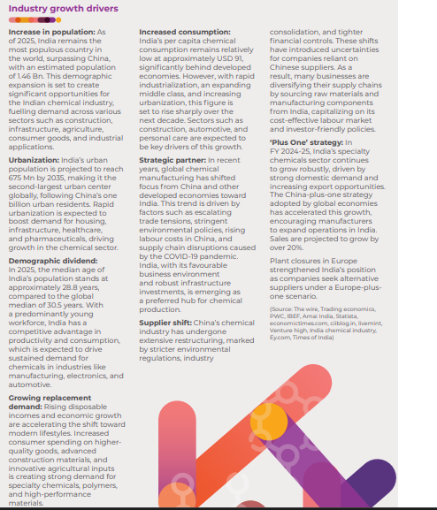

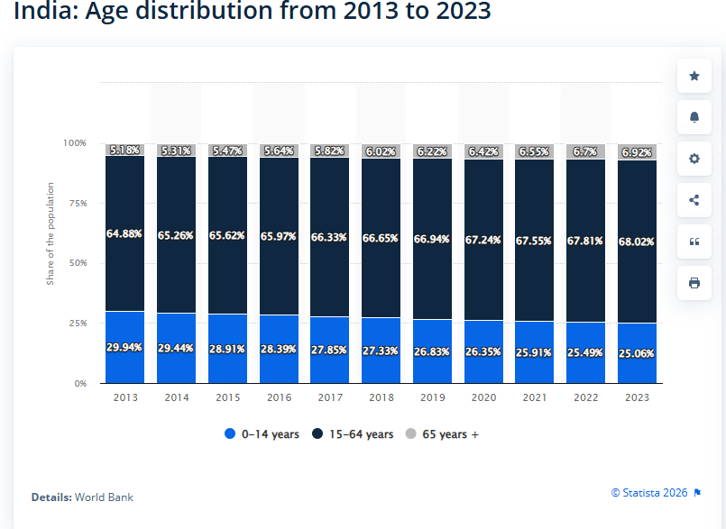
 | Increase in population
 | Accelerated Urbanization
 | Increase in disposable income & spending
Young Population 18 - 35 (Working)
 | Product innovation
 | Extensive Capex

1 | Year | Young Population (Working)
 | 2018 | 66.65%
 | 2019 | 66.94%
 | 2020 | 67.24%
 | 2021 | 67.55%
 | 2022 | 67.81%
 | 2023 | 68.02%

 | https://www.statista.com/statistics/271315/age-distribution-in-india/?srsltid=AfmBOoqGSv8NoPWVwTAiU1-3dmHXkNtIXlz5UhlqX8hL2fJhHTttcqa1

Accelerated Urbanization
 |  |  |  |  | 100

2 | Year |  |  | Year | Urban Population | Rural | Total | % of Total Population
 |  |  |  | 2018 | 47 | 91 | 137 | 34.03%
 |  |  |  | 2019 | 48 | 91 | 139 | 34.47%
 |  |  |  | 2020 | 49 | 91 | 140 | 34.93%
 |  |  |  | 2021 | 50 | 91 | 141 | 35.39%
 |  |  |  | 2022 | 51 | 91 | 143 | 35.87%
 |  |  |  | 2023 | 52 | 92 | 144 | 36.36%
 | https://www.macrotrends.net/global-metrics/countries/ind/india/rural-population

 | Year | Per capita | Spending
3 | 2023 | 1,311.92 | $2.153T
 | 2022 | 1,272.33 | $2.044T
 | 2021 | 1,201.10 | $1.930T
 | 2020 | 1,084.40 | $1.634T
 | 2019 | 1,156.16 | $1.727T
 | 2018 | 1,110.83 | $1.603T

